Sheet1
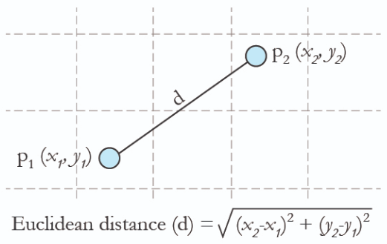
Weight(x2) | Height(y2) | Class | Euclidean Distance |  |  | Euclidean Distance | Rank | Class
51 | 167 | Underweight |  |  |  | 3.132091953 | 3 | Underweight
66 | 177 | Normal |  |  |  | 17.3726797 | 14 | Normal
75 | 169 | Overweight |  |  |  | 24.92007223 | 21 | Overweight
69 | 176 | Normal |  |  |  | 19.82952344 | 17 | Normal
50 | 173 | Underweight |  |  |  | 3.001666204 | 2 | Underweight
82 | 170 | Overweight |  |  |  | 31.9 | 25 | Overweight | K | Class
65 | 172 | Normal |  |  | k=3 | 15.03362897 | 12 | Normal | 1 | Underweight
58 | 180 | Underweight |  |  |  | 12.7440182 | 10 | Underweight | 2 | Underweight
68 | 162 | Overweight |  |  |  | 19.60637651 | 16 | Overweight | 3 | Underweight
63 | 165 | Normal |  |  |  | 13.83510029 | 11 | Normal | 4 | Underweight
52 | 174 | Underweight |  |  |  | 4.428317965 | 4 | Underweight | 5 | Normal
58 | 169 | Normal | Weight(x1) | 50.1 |  | 7.963039621 | 7 | Normal
78 | 162 | Overweight | Height(y1) | 170 |  | 29.02430016 | 23 | Overweight
65 | 168 | Normal | Class | ? |  | 15.03362897 | 12 | Normal
62 | 183 | Underweight |  |  |  | 17.62413118 | 15 | Underweight
72 | 180 | Normal |  |  |  | 24.07509086 | 20 | Normal
80 | 180 | Overweight |  |  |  | 31.52792413 | 24 | Overweight
60 | 178 | Underweight |  |  |  | 12.72831489 | 9 | Underweight
57 | 173 | Normal |  |  |  | 7.523961722 | 5 | Normal
73 | 164 | Overweight |  |  |  | 23.67298038 | 19 | Overweight
53 | 170 | Underweight |  |  |  | 2.9 | 1 | Underweight
74 | 182 | Normal |  |  |  | 26.7434104 | 22 | Normal
72 | 175 | Overweight |  |  |  | 22.46352599 | 18 | Overweight
53 | 163 | Normal |  |  |  | 7.576938696 | 6 | Normal
55 | 180 | Underweight |  |  |  | 11.13597773 | 8 | Underweight

